Sheet1
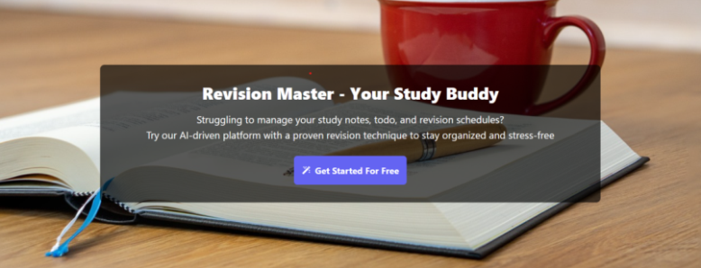 |  | Project Name:- |  | Bug Report for the Note master Apllication
 |  | Test Designed By:- |  | Shubham Giri
 |  | Test Designed Date:- |  | 2025-04-02
 |  | Test Executed By:- |  | Shubham Giri
 |  | Test Executed Date:- |  | 2025-04-02

Bug ID | Bug Description | Severity | Priority | Status | Expected Result | Actual Result | Test Case ID | Screenshot
Bug-001 | Verify user should able to register with enter number in userName and valid all credentials | Critical | Medium | open | the user should get registered and using these credentials it should be able to login . | the user is able to register succesfully | TC-018 | https://drive.google.com/file/d/1apS1zxVsZTqBF-oweFbQFIJddIje4QlJ/view?usp=sharing

Bug-002 | Verify user should able to check password visible button woking or not | Critical | Medium | open | user should able to check password visible button woking or not | user should able to check password visible button but not showing this button | TC-020 | https://drive.google.com/file/d/1E7QbfF4I6kMFxjmvYXOC1d3h6J_-GYKz/view?usp=sharing

Bug-003 | Verify user should able to check password visible button woking or not. | Critical | Medium | open | user should able to check password visible button woking or not | user should able to check password visible button but not showing this button | TC-027 | https://drive.google.com/file/d/1dqblzncq1TIl7NjQBVHH8ZljwuxsX-Tz/view?usp=sharing

Bug-004 | Verify that user should able to update profile then deleted successfully | Critical | High | open | user should able to update profile then deleted successfully | user is able to update profile but not delete this profile | TC-040 | https://drive.google.com/file/d/1CMX9FRRdkEpCQf-PUiODRGi_cyL_kBKs/view?usp=sharing

Bug-005 | Verify user should able to with checking the Footer link working or not | Critical | High | open | user should able to with checking the Footer link working or not | footer Link not avalable on page | TC-043

Bug-006 | Verify that user shoud be adding writing notes in add notebook using automation tool | Critical | High | Open | Verify that user shoud be adding writing notes in add notebook. | Verify that user shoud be adding writing notes in not get notebook | TC-39 | https://drive.google.com/file/d/1II59KFs0fZZYBLJRIJTjRQt su6ixI-IZ/view?usp=sharing
Bug-007 | Verify that User Should able to upadte profile using automation tool | Critical | High | open | User Should able to upadted profile using automation tool | User is not able to upadte profile using automation tool | TC-42 | https://drive.google.com/file/d/1kyHxvgP2P4dIc XeIplmOloRErzCZ_TmF/view?usp=sharing

